pivot
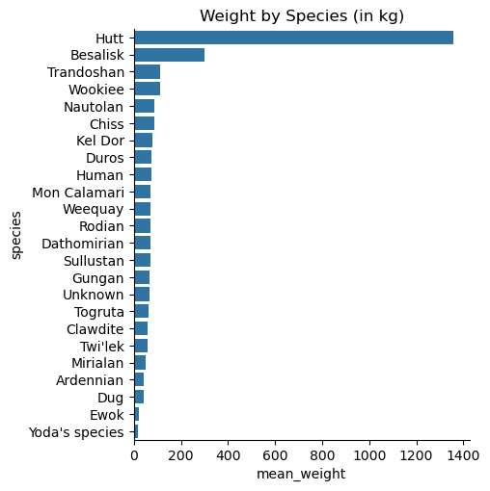
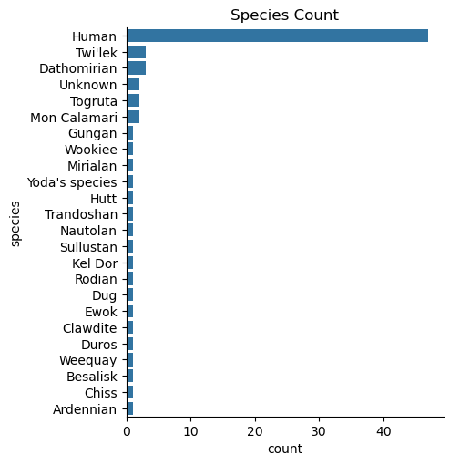
Heaviest Species (in kg) |  | Python:
species | mean_weight |  | mean_weight
Yoda's species | 17 | species
Ewok | 20 | Hutt | 1358
Ardennian | 40 | Besalisk | 300
Dug | 40 | Trandoshan | 113
Mirialan | 50 | Wookiee | 112
Twi'lek | 57.5 | Nautolan | 87
Clawdite | 60 | Chiss | 85
Togruta | 61.5 | Kel Dor | 80
Unknown | 65.5 | Duros | 75
Gungan | 66 | Human | 74.446808511
Rodian | 70 | Mon Calamari | 72
Weequay | 70 | Weequay | 70
Dathomirian | 70 | Rodian | 70
Sullustan | 70 | Dathomirian | 70
Mon Calamari | 72 | Sullustan | 70
Human | 74.25 | Gungan | 66
Duros | 75 | Unknown | 65.5
Kel Dor | 80 | Togruta | 61.5
Chiss | 85 | Clawdite | 60
Nautolan | 87 | Twi'lek | 58.333333333
Wookiee | 112 | Mirialan | 50
Trandoshan | 113 | Ardennian | 40
Besalisk | 300 | Dug | 40
Hutt | 1358 | Ewok | 20
 |  | Yoda's species | 17

Weight by Species (in kg)

